Archicad Guides
Archicad - How to prepare Unit details from native BIM models

1 | Create a Schedule "URA_Summary of Unit" with the relevant Zone Plans

2 | Open the schedule and select "File/Save as.."
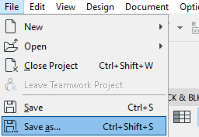

3 | Choose Excel workbook as the file type to be exported and click "Save" button
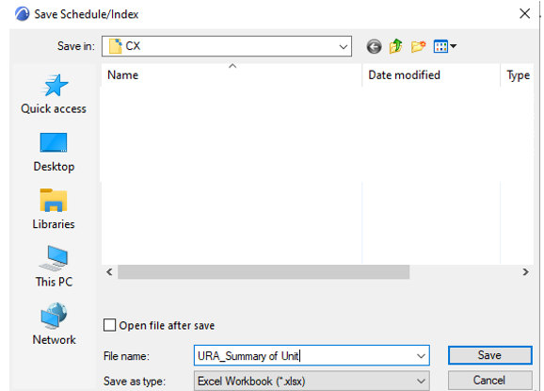

4 | Launch Excel, at "Data" tab, select "Get Data\From File\From Text/CSV"

5 | Select the file saved under step 3 and click "import"
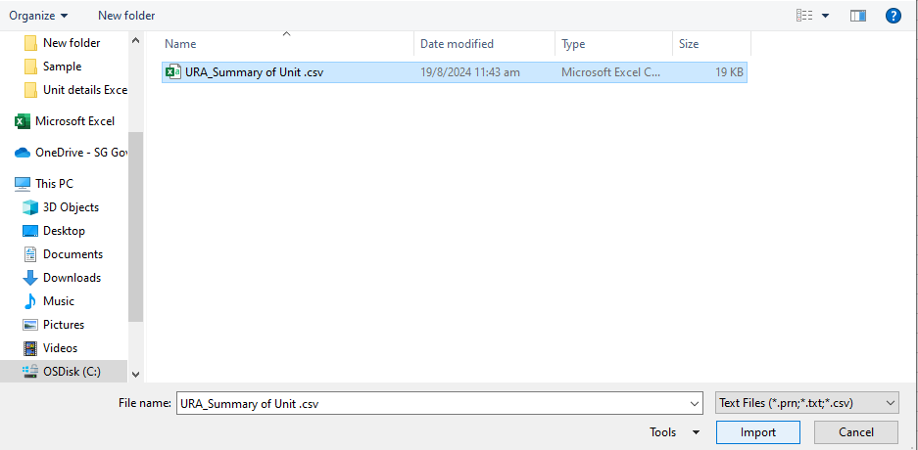

6 | Click the button "Load"
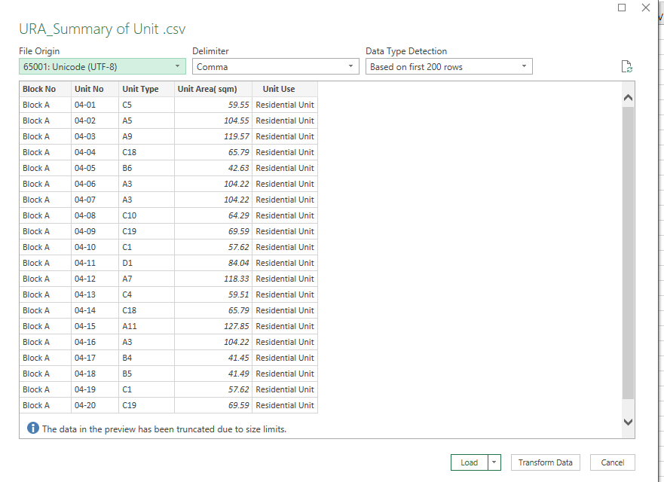

7 | Save the excel file and copy the info needed to be presented as per this Unit Details format

Revit Guides
Revit - How to prepare Unit details from native BIM models

1 | Create a Schedule "URA_Summary of Unit" with the relevant Area Plans

2 | Open the schedule and select File/Export/Reports/Schedule
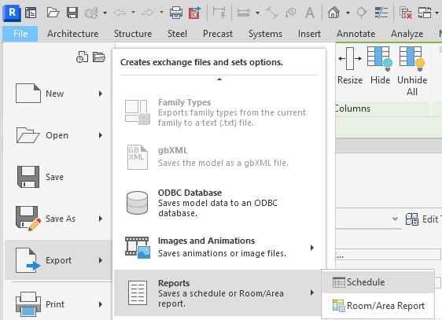

3 | Save the file as CSV format
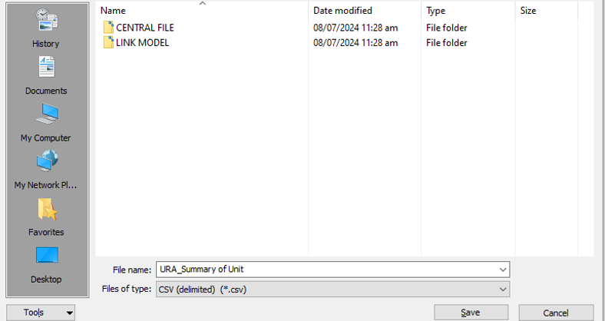

4 | Click OK on the window below
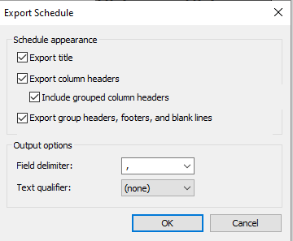

5 | Launch Excel, at "Data" tab, select "Get Data\From File\From Text/CSV"

6 | Select the file saved under steps 3 and 4 and click "import"

7 | Click the button "Load"

8 | Save the excel file and copy the info needed to be presented as per this Unit Details format

